scenario
 |  |  |  | src | https://www.openhacks.com/uploadsproductos/loradesignguide_std.pdf

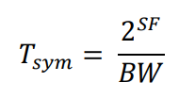
Symbol Duration: | SF/BW(Hz) | 125000 | 250000 | 500000
 | 12 | 0.032768 | 0.016384 | 0.008192
 | 11 | 0.016384 | 0.008192 | 0.004096
 | 10 | 0.008192 | 0.004096 | 0.002048
 | 9 | 0.004096 | 0.002048 | 0.001024
 | 8 | 0.002048 | 0.001024 | 0.000512
 | 7 | 0.001024 | 0.000512 | 0.000256

duration of the preamble for Npre=8 | SF/BW(Hz) | 125000 | 250000 | 500000
12.25 | 12 | 0.401408 | 0.200704 | 0.100352
 | 11 | 0.200704 | 0.100352 | 0.050176
 | 10 | 0.100352 | 0.050176 | 0.025088
 | 9 | 0.050176 | 0.025088 | 0.012544
 | 8 | 0.025088 | 0.012544 | 0.006272
 | 7 | 0.012544 | 0.006272 | 0.003136

Parameters for number of symbol that makes a packet

 | H | 0 | Header Enabled
 | DE | 1 | 0 | Data Rate Optimization enabled (=1) if Tsymbol >16ms
 | CR | 1 | Coding Rate 1 equals 4/5 (I think)

Bytes Generated By Device:
(Payload + Header ) (see TDMA page for calcul length packets) | DATA | 48.25 | ACK | 8.25

 | DATA |  |  |  |  | ACK
Number of Symbols Packet | SF/BW | 125000 | 250000 | 500000 |  | SF/BW | 125000 | 250000 | 500000
 | 12 | 56 | 56 | 48 |  | 12 | 16 | 16 | 15
 | 11 | 62 | 52 | 52 |  | 11 | 18 | 18 | 16
 | 10 | 57 | 57 | 57 |  | 10 | 19 | 19 | 17
 | 9 | 63 | 63 | 63 |  | 9 | 22 | 22 | 19
 | 8 | 71 | 71 | 71 |  | 8 | 25 | 25 | 21
 | 7 | 80 | 80 | 80 |  | 7 | 29 | 29 | 23
 |  |  |  |  |  |  |  |  |  |  |  | The strength of our protocol is that it just need a basic tranceiver to work,

 |  |  |  |  |  |  |  |  |  |  |  | making it very cheap.
Time on air packet (s) (we calculate DATA+ACK as approx every DATA will be acknowledged |  |  |  |  | SF/BW | 125000 | 250000 | 500000
 |  |  |  |  | 12 | 3.162112 | 1.581056 | 0.7168 |  | Scenario 1: | Data is gathered once a day
 |  |  |  |  | 11 | 1.712128 | 0.774144 | 0.37888 |  | Scenario 2: | Data is gathered every four hour
 |  |  |  |  | 10 | 0.823296 | 0.411648 | 0.201728 |  | Scenario 3: | Data is gathered every hour
 |  |  |  |  | 9 | 0.448512 | 0.224256 | 0.109056
 |  |  |  |  | 8 | 0.246784 | 0.123392 | 0.059648
 |  |  |  |  | 7 | 0.136704 | 0.068352 | 0.03264

36 second of transmission per hour per device ! (1%)
The limitation is on the Relays, as they need to
transmit their own data, the data of their C1 childs,
and the data of the cluster further in the network!

Hypothesis:
Due to interferences, we send RRC packets three times on average. (probably less but we think worst case here). The simulation will be useful to verify these hyphotesis. |  |  |  |  |  |  |  | 3

DONT FORGET TO TAKE INTO ACCOUNT THE ACKNOWLEDGEMENT OF THE PACKETS IN RRC UPLINK MODE (a packet emitted, is rougly equal to one packet acknowledged)
Constants:
Every Relay has 8 child sending data at max rate |  | 9 | max number of nodes in a cluster
Hours dedicated to RCC uplink |  | 22
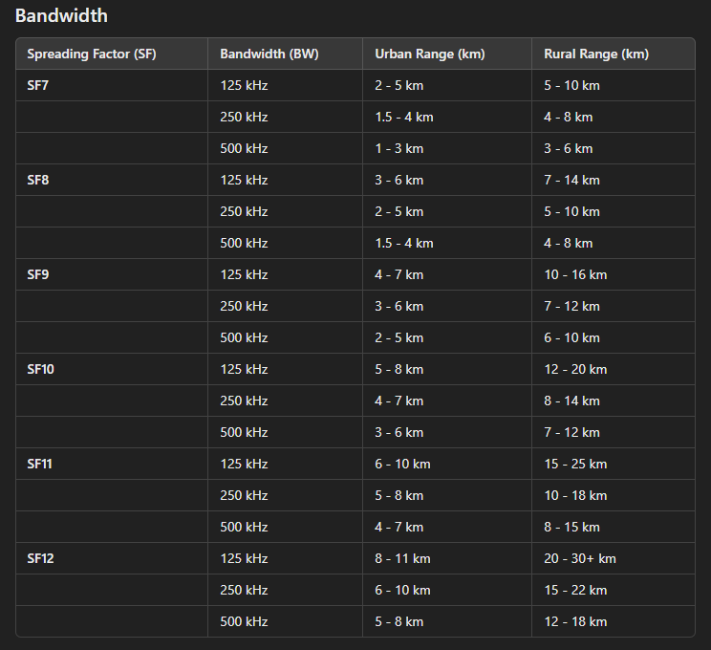
Max transmission time per hour (s) |  | 36
Max transmission time per day for RCC uplink (s) |  | 792

SCENARIO 1: (change B33 to match scenario) |  | After reading again all this calculus, I realized I should have made them per node, and not per cluster, but it's more or less the same
We want the maximum distance for relays
Let's say we take SF=12, BW=500 kHz

Time to transmit data of one node |  | 0.7168

Time to transmit data of all the cluster (8 child + relay): |  | 6.4512

Interferences (need for restransmission) |  | 19.3536 | <- average time it takes to send the data of the day of the cluster by the relay

Nbr of clusters that can be supported without bottleneck: |  | 40.922619048

Number of Nodes that can be supported without bottleneck: |  | 368.30357143

SCENARIO 2:

Let's do it the other way around
We want our relay to forward correctly 30 cluster |  | 30
Maximum time to transmit all data from a cluster, including retransmissions |  | 26.4
which gives us a time to transmit data of all the cluster |  | 8.8
which gives a time to send all the packets for a node (data +ack) * 6 |  | 0.97777777778
In scenario 2, we send data every four hours (6 times a day),, so we have per hour a max TOA of |  | 0.16296296296
The sets of parameters giving us a time inferior or equal to the value above are (SF, BW)=(7,125),(8,250),(9,500) and more !
 |  |  |  |  |  |  |  |  | NEED TO CHECK SOURCES FOR THE DISTANCEEEE
SCENARIO 3:

Same reasoning than in Scenario 2
We want our relay to forward correctly 30 cluster |  | 30
Max time is the same, so Inteference time should be |  | 26.4
which gives us a time to transmit data of all the cluster |  | 6.6
which gives a time (data +ack) *24 |  | 0.73333333333
In scenario 3, we send data every hours (24 times a day), so we have per hour a max TOA of |  | 0.030555555556
The only set is : (7,500)

TDMA
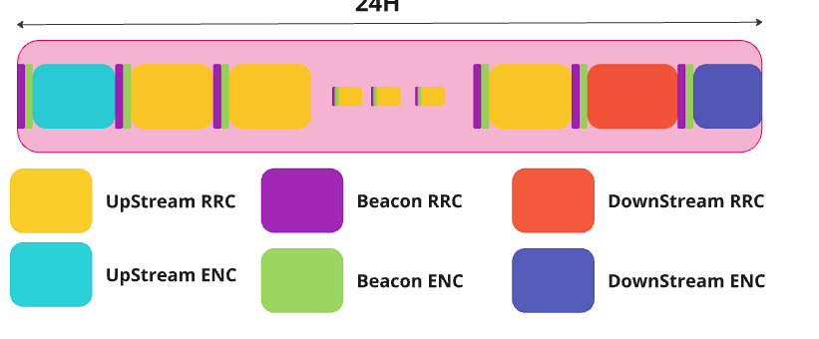

Voc:
Communication Period: a timeframe dedicated to one mode (certain event and activities are expected to occur).
Communication Window: A collection of uplink and dowlink windows that can be separated by periods of sleep. Serves a specific task for a mode (ex: transmit data, broadcast beacon)
Transmission Window: A collection of frames (beacon, ack, data..) that constitutes a downlink&uplink windo

We adopt scenario 3
 |  |  |  | Enter below the value of interest found in Scenario.
TOA for (DATA +ACK) |  | 56.5 | bytes | 0.03264 | s | <- this is a reference value that I use to calculate the transmission time of others frames that are not equl to 60 bytes
 |  | 452 | bits |  |  | <- this is an approximation as the time for a data frame doesn't follow this rule of three (fixed preamble duration)
How long are the fields (in bits)?

 | Variables | Type | Global ID | Local ID | TimeStamp | Sensor Data | Hash Function | Global Id Packet | Local Id Packet | Cost Function | Hop Count | Random Delay
 | Nb of Bits | 4 | 10 | 3 | 32 | 320 | 32 | 10 | 10 | 12 | 10 | 8

 |  | Bits | Frame Time Transmission(s)
ENC FRAMES
Beacon |  | 96 | 0.0069323893805
Join Request |  | 56 | 0.0040438938053
ACK |  | 59 | 0.0042605309735
Data |  | 379 | 0.027368495575
Join Accepted |  | 59 | 0.0042605309735 |  |  | See report or Miro for pictures of the frames
RRC FRAMES
Beacon |  | 110 | 0.0079433628319
Flooding Packet |  | 74 | 0.0053437168142
ACK |  | 66 | 0.0047660176991
DATA |  | 386 | 0.027873982301
UTILITIES
Minimum processing time |  |  | 0.04
Guard Time |  |  | 0.01

Communication Periods:
Unit Time | 24 | H | 86400 | s
MESH | 22 | H | 79200 | s
Up ENC | 0.85 | H | 3000 | s
Flood RRC | 0.5 | H | 1800 | s
Down ENC |  |  | 300 | s
Beacon RRC |  |  | 1800 | s
Beacon ENC |  |  | 300 | s
 |  |  |  |  |  |  | NB:
 |  |  | 0 | <- must be equal to zero ! |  |  | Guard time is never counted in this calculus because it doesn-t count in the transmission. The guard time happens only in the receiver side (receiver wake up a bit before and sleep a bit later)
RRC UPLINK
Duty Cycle: |  |  |  |  | 36 | s of transmission per hour
The number of couple of uplink/dowlink transmission windows possible in one hour |  |  |  |  | 1102 | <- a node is supposed to be able to ack every packets it transmits (approximation, since some packets are generated on premises)
We want maximum data rate.
2204 |  | <-we multiply by two because there are even and odd nodes.
Transmitting is roughly equal to 20 times the energy consumption of listening
So we will have ten times the number of minimal slots to avoid interferences
10 | multiplicator of the possible slots for communication
22040 | The number of transmission slots, odd and even. Nodes will choose 10% of these slots to respect regulations, at the beginning of every hour (or every predefined unit of time)
interval between two Uplink Window.
0.16333938294 | s
In this interval, there must be a Data Packet, sleep, ack packet, sleep

Duration of the sleep (we consider the two periods of sleep as equal): |  |  |  | 0.065855178196 | s

Flooding RRC (downlink)
Time dedicated for flooding: |  | 1800 | s
Duty Cycle consideration: |  | 18 | s
Flood packet Duration length |  | 0.0053437168142 | s

There is only one type of packet ( NO ACK)

Maximum number of times a node can transmit its flood packet
3368
Nodes send approximately three times the flood packet. There should be for this three times 10 possible slots.(see calcul of proba in next page)
3 | avg number of emission |  | 10 | possible slots for a flood pack
Consequently, the number of potential transmission slots are:
11226
In the case the total number of transmission exceeds the duty cycle limit, |  |  |  | 3368 | (slots), it will simply stop transmitting for the rest of the communication window.
This scenario can happen when C3 is spamming flood packet
Interval between slots:
0.16034206307 | s, which makes a period of sleep: |  | 0.15499834625 | s

Beacon RRC

same than flooding
Time Dedicated for beacon |  | 1800 | s
Duty Cycle |  | 18 | s
Length Beacon: |  | 0.0079433628319 | s

A node has the choice to send during these transmission window or not
There is a tradeoff between the latency of the system, and the energy consumpttion but from now on, we will consider
Maximum number of slots possible:
2266
Nodes send approximately three times the beacon. There should be for this three times 10 possible slots.(see calcul of proba above, this setup gives us a 1%chance of interference)
10 | 3
Consequently, the number of transmission slots (where a node should listen if not in emitting mode) is:
7553

So every | 0.23831590097 | s, | a frame of length | 0.0079433628319 | s, can start.
Remember that this communication period is not continous but splitted during the day

Beacon ENC
300 | s, the time allowed for beacon usages during one day
3 | s, the maximumt amount of time nodes are allowed to transmit beacon information
4 | The number of following pair of (join request, join accepted) following a beacon
Since the procedure of joining is happening a few times accross the span of months, we neglect it. However, between two beacons, there must be a minimum |  |  |  |  |  |  |  |  | 0.54094725664 | s of time
But we want to have a random initial shift, considering the duration of the beacon ENC frame |  |  |  |  | 0.0069323893805 | s, it would be nice to have 40 time this duration, so the max random shift is: |  |  |  |  | 0.27729557522 | s,
As highlighted in the report, the number of different communication period during a day for ENC beacon is variable and depends of the clock synchronization.
We can send a maximum of |  | 432 | beacons in a day, | and there is enough time for the next 4 (join request/accept) as |  |  |  | 366.63932554 | is way superior. (the duty cycle is always the limit).
The number of communication periods in a day depends of the clock synchronization frequency desired mainly. We know that a maximum of 432 is possible regarding the TOA of the beacon ENC packet.

UP ENC

Number of packets to send (scenario 3) |  |  |  | 24 | plus a litle extra to be safe -> |  |  | 28
0.76631787611 | s,to send all the data from a C1 |  |  | 0.11929486726 | s, to reply ACK from a C2

Time Data Frame |  | 0.027368495575
Time ACK |  | 0.0042605309735
Max Random Delay |  | ?
Processing Time |  | 0.04
There is 8 child nodes maximum in the cluster.
The pattern is :
Random Delay+Data+PT+ACK…..(X28)
2.0056127434 | s, the time it take to converse with ONE NODE
16.044901947 | s, the time it take to converse with all the nodes

Time allowed to the UP ENC MODE
3000 | s
Effective time For Transmission
30 | s
Every node respect this, as a C1 transmit for a maximum of |  |  | 0.76631787611 | s and a C2 speaks for | 0.95435893805 | s
We should decrease the time dedicated to this mode.

Down ENC

The same pattern as Uplink ENC but reversed (sender becomes receiver..)
Not 28 messages but three max

Let's consider C2 is having at most three message per node. |  |  |  |  |  |  |  |  |  |  |  |  | 0
The C1 child will stop listening when it doesn't receive anymore

300 | s, the communication period length
37.5 | the communication period length (specific to a C1 node)
We don't care about delay, even if it could be easily introduced as it's the same procedure as for UP ENC.
Actually, we should reduce this communication period length, but let's stay simple.
So at i*37,5, theith C1 child will wake-up, and listen until it receives nothing .If it received a data packet, After a small delay, it will reply by an ack and will go to sleep.
This process repeat every 5 s for two other times between

Every 5, for three times, there is communication during |  |  |  | 0 | s, | and then sleep.

Calcul
Probabiity> |  |  | THIS HAS NOT BEEN CORRECTED AND IS NOT INCLUDED IN THE REPORT, so consider it as a bonus, jus to illustrate that randomness is somehow efficient

1)
 |  |  |  |  | Proba at least two noodes choose the same number | 0.953125 | <-- is is true? Check with other
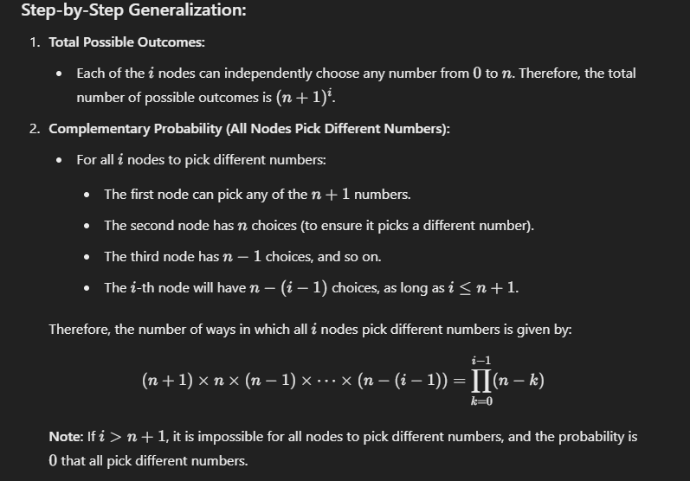
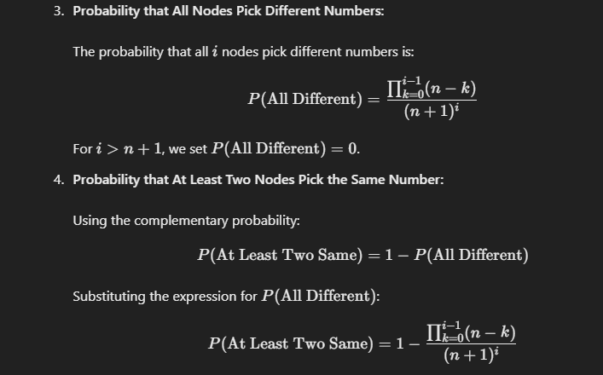
Node can choose to send between a and b times the slots, 0<=a<b<=n
n is the total number of slots available for transmission
n | 10
a | 1
b | 4
diff¡ | 3
How Many concurrent nodes? |  |  |  | 3

In this scenario, what's is the proba they decide to choose the same slots, among the n possible?
x | 3 | <- number chosen
Decomposition:
Proba they decide to transmit at the same time, for a particular slot
0.027
Proba the three of them are not transmitting at the same (but two can still do be transmitting)
0.973
Proba they never transmit at the same slots
0.7605511068
Proba they transmit at least during one slot together
0.2394488932
So what is the proba they transmit every time together?
is it | 0.09 |  | <-- not sure it is correct

Final: | 0.08578125 | chance that when two nodes receive a message at the same time, they are not able to forward the data because of interference

